Instructions
DDLS budget instructions for WASP-DDLS joint research-visit (call 2023)

The template is based on the accounting model (SUHF model) which was introduced to higher education institutions for
direct and indirect costs by the Association of Swedish Higher Education Institutions (SUHF).
The calculations should follow the partner organisation’s own instructions and regulations for accounting.

This workbook should be added to the WASP-DDLS joint research-visit application in excel format to allow for efficient management
and review. Upon completion of the review process and the probable funding decision is made, a PDF version of this workbook with
signatures needs to be sent to DDLS OO.

Grant period:
Grant amount: maximum 750 000 SEK

Technical aspects:

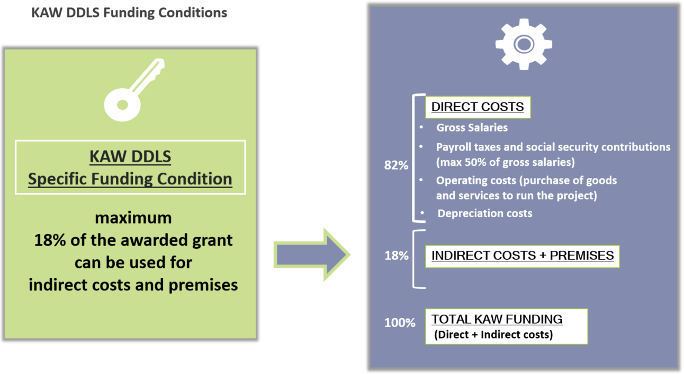
- Fill in green marked cells

- Blue colored cells contains formulas and are protected

Workflow
The workflow for this budget template is the following:

1. The DDLS partner organisation computes a calculation for full cost coverage according to their own accounting model. The full
cost coverage calculation is to be established as if the research visit is to be financed only by the partner.
2. The amount calculated per cost type with the full cost coverage is transferred to “column C”
in the budget worksheet.
3. The part of the full cost calculations that will be funded by KAW is calculated automatically in the budget worksheet in accordance
with the KAW Data-driven Life Science funding conditions stipulated by KAW donation letter (Dnr 2020.0239).
Maximum coverage of 50% for LKP (payroll taxes and social security contributions) on gross salary costs.
Maximum of 18 % of the approved grant to be used for overhead and premises costs.
4. If further adjustments are needed in order to reach the predefined maximum KAW funding limit, necessary adjustment
can be made by reducing costs in column “D”, “co-financing” in the green cells marked with a ‘minus’ sign.
Adjustments for overhead and premises costs is made automatically with a formula in cell D30.

