Instructions
Instructions for WASPHS –DDLS budget template

The template is based on the accounting model (SUHF model) which was introduced to higher education institutions for
direct and indirect costs by the Association of Swedish Higher Education Institutions (SUHF).
The calculations should follow the partner organisation’s own instructions and regulations for accounting.

If several research groups contribute to a project then this calculation should cover the total grant requested and account for
all parts of the project.

This workbook should be added to the project application in excel format to allow for efficient management and review.
Upon completion of the review process and the probable funding decision is made a PDF version of this workbook with
signatures needs to be provided.

Grant period: The calculation should be for a minimum of 12 calendar months and a maximum of 15.
Grant amount: Minimum 200 000 SEK, maximum 500 000 SEK

Technical aspects:

- Fill in green marked cells

- Blue colored cells contains formulas and are protected

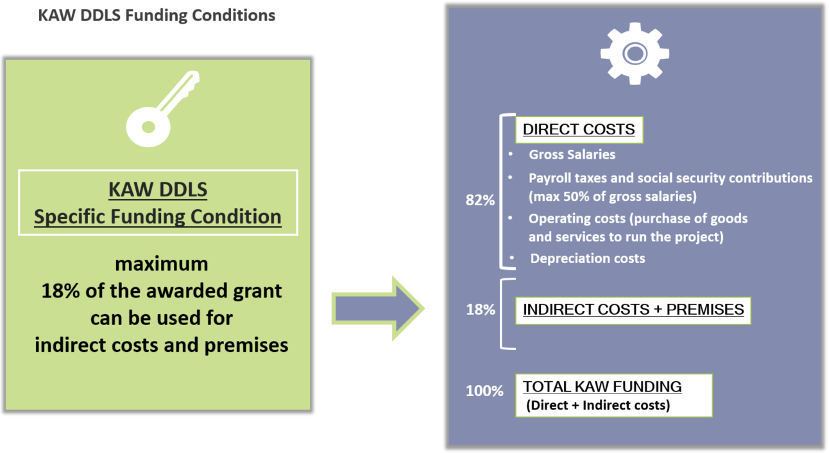
Workflow
The workflow for this budget template is the following:

1. The partner computes a calculation for full cost coverage according to their own accounting model. The full cost coverage
calculation is to be established as if the project is to be financed only by the partner.
2. The amount calculated per cost type with the full cost coverage is transferred to “column C” (Sheet 1A and 1B)
in the worksheets.
3. The part of the full cost calculations that will be funded by KAW is calculated automatically in the worksheets in accordance
with the KAW Data-driven Life Science funding conditions stipulated by KAW donation letter (Dnr 2020.0239).
Maximum coverage of 50% for LKP (payroll taxes and social security contributions) on gross salary costs.
Maximum of 18 % of the approved grant to be used for overhead and premises costs.
4. If further adjustments are needed in order to reach the predefined maximum KAW funding limit, necessary adjustment
can be made by reducing costs in column “D”, “co-financing” in the green cells marked with a ‘minus’ sign.
Adjustments for overhead and premises costs is made automatically with a formula in cell D33.

Worksheet 1: Budget-compilation
The budget compilation worksheet for the project is linked to the sub-project worksheets. An overall analysis of the budget
is to be shown here in comments-box with arguments and considerations regarding the project in its whole as well as the
main posts of the budget.

